Main
 | Startup Website: | Gojek
# | UI/UX Screen | Triggers when... | Event Name | Data to be tracked | Metrics | Example Property Values | Notes (optional)
 |  | User open the app | Welcoming Page | New member | Amounts of sign me up | 1000 account | Tracks how many new users are signing up after opening the app for the first time.
 |  |  |  | Log in | Amounts of log in | 2000 account | Tracks the number of existing users logging in after opening the app. This helps in understanding user engagement and retention.
 |  | User click the log in button | Log In Page | Wrong phone number | Error rate by phone number | 20% error | Tracks the number of unsuccessful login attempts due to incorrect phone numbers, including the country code. Helps identify and address common login issues, especially those related to country codes.
 |  |  |  | Country code | Total unsuccessful log in by country code | 20 account
 | 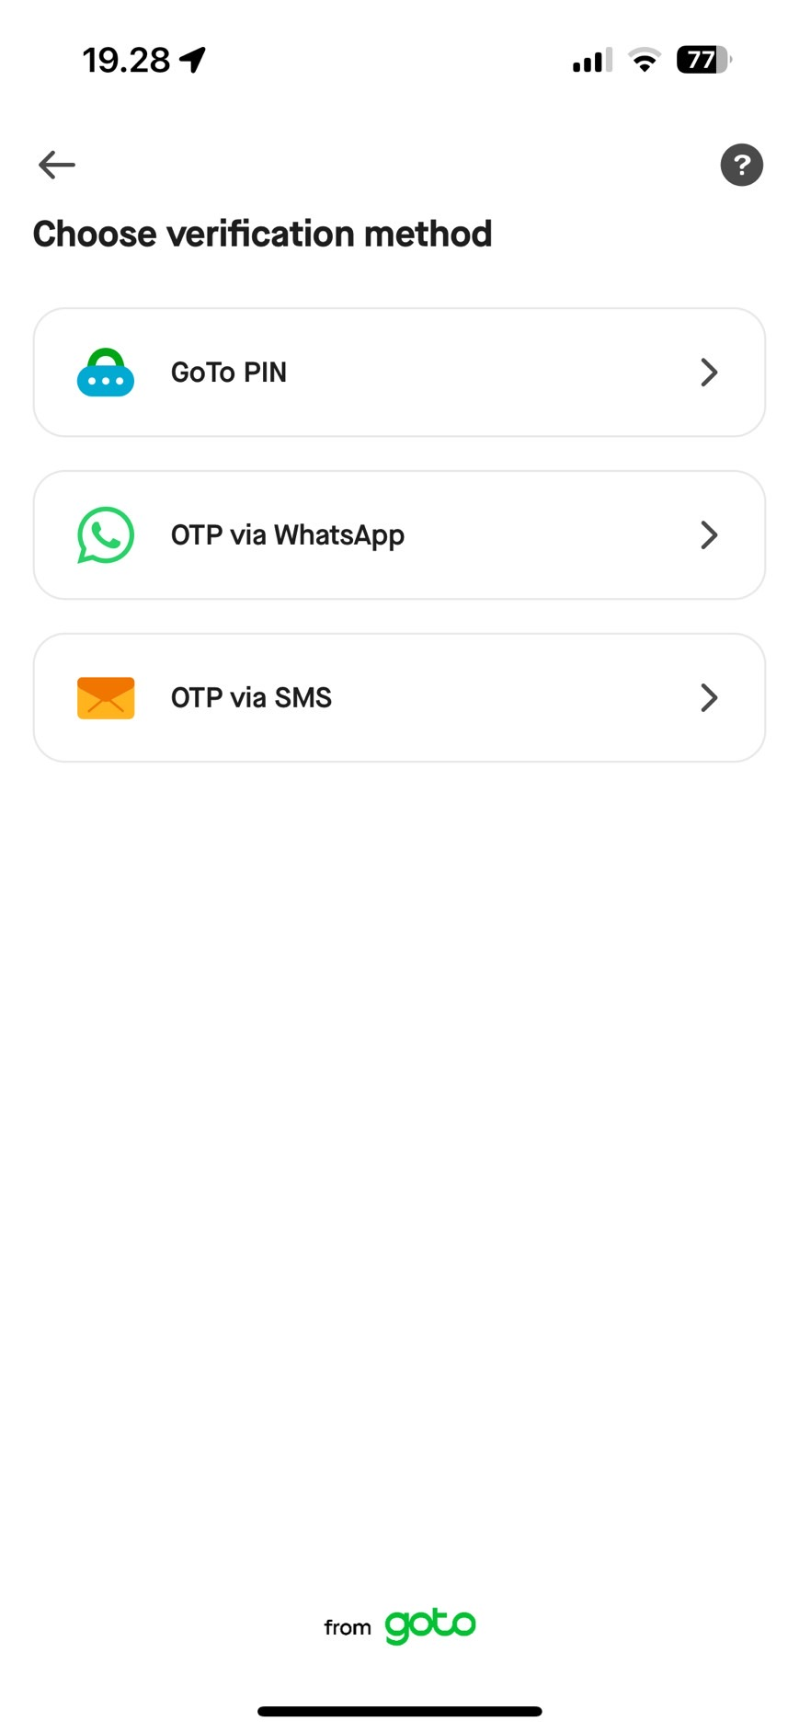 | Successful in log in page | Verification Method | Amounts of user verified with each method | Total verification attempts | 2000 account | Tracks the number of users attempting verification with each method.
 | 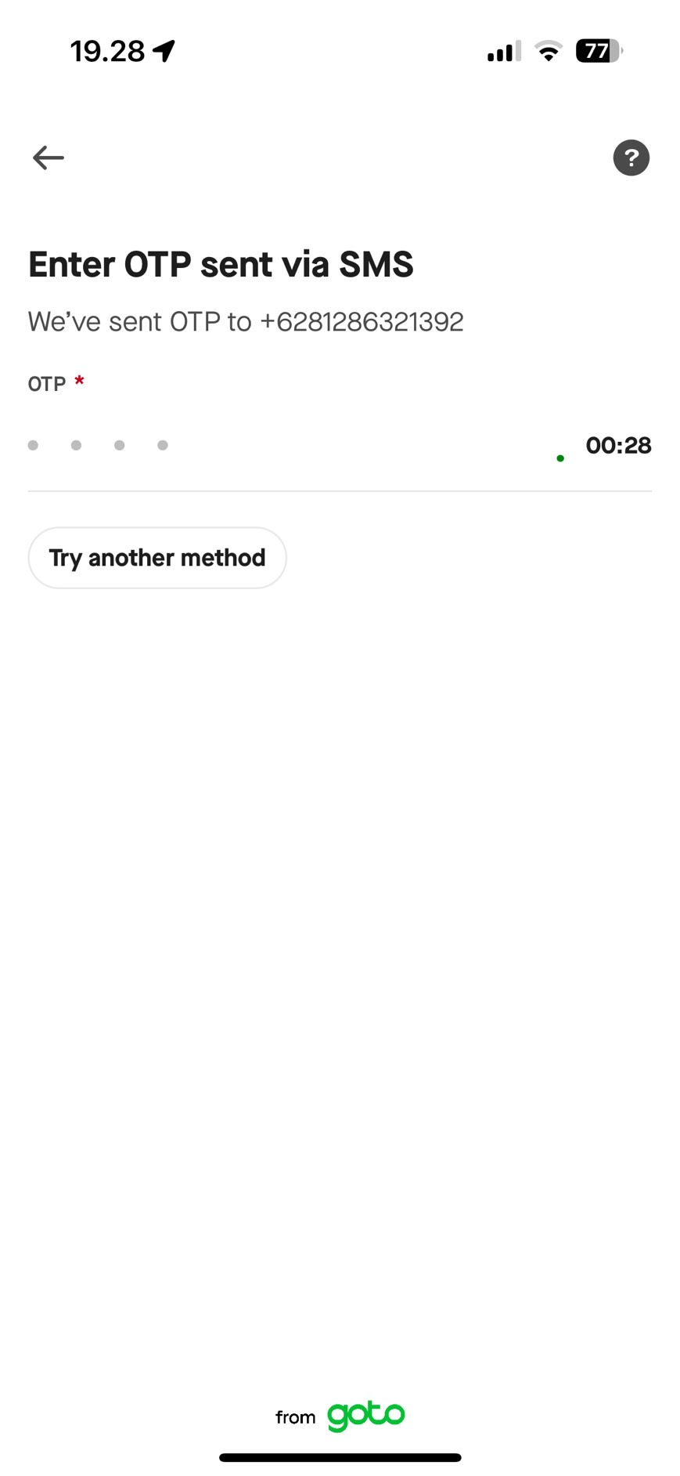 | User choosing one of the verification methods | Verification Attempt | Unsuccessful verified | Error rate in verification step | 30% error | Helps identify and address common verification issues.
 |  | Successful in verification step | Home Page | Time on page | Average time spent | 5 minutes | Measures the engagement level by tracking time spent on the home page.
 |  |  |  | The most popular service | Most frequently used service | GoFood | Identifies the most popular service to understand user preferences.
 |  | GoFood service choosed | GoFood Home Page | Time on page | Average time spent | 5 minutes | Measures the engagement level by tracking time spent on the GoFood home page.
 |  |  |  | The most popular restaurant | Most frequently visit restaurant | Hot Side Story | Identifies the most popular restaurant to understand user preferences.
 |  | Restaurant picked | Restaurant Page | Time on page | Average time spent | 5 minutes | Measures the engagement level by tracking time spent on the restaurant page.
 |  |  |  | The most popular meal | Most meal that add to cart | Nashville Chicken | Identifies the most popular meal to understand user preferences.
 |  | Meal picked | Dish Customized | Successful add to cart | Amounts of user that successful add meal to cart | 500 account | Tracks the number of successful add-to-cart actions.
 |  |  |  | Adds on picked | Amount of user that buy meal with adds on | 100 account | Tracks the number of users who purchase meals with add-ons.
 |  | Successful add meals to cart | Check-out Page | Delivery duration picked | Number of times each delivery duration is picked | 200 times for Express | Tracks the preferred delivery duration chosen by users.
 |  |  |  | Successful add location for delivery | Number of successful location additions | 200 account success in add location | Measures the number of times a delivery location is successfully added.
 |  | Successful add meals to cart | Check-out Page | Adding another meal | Amounts of user that click add more | 100 account | Tracks the number of users who add additional meals.
 |  |  |  | Using GoPlus Voucher | Amounts of user that click the GoPlus banner | 300 account | Measures the number of users who click the GoPlus banner to use vouchers.
 | 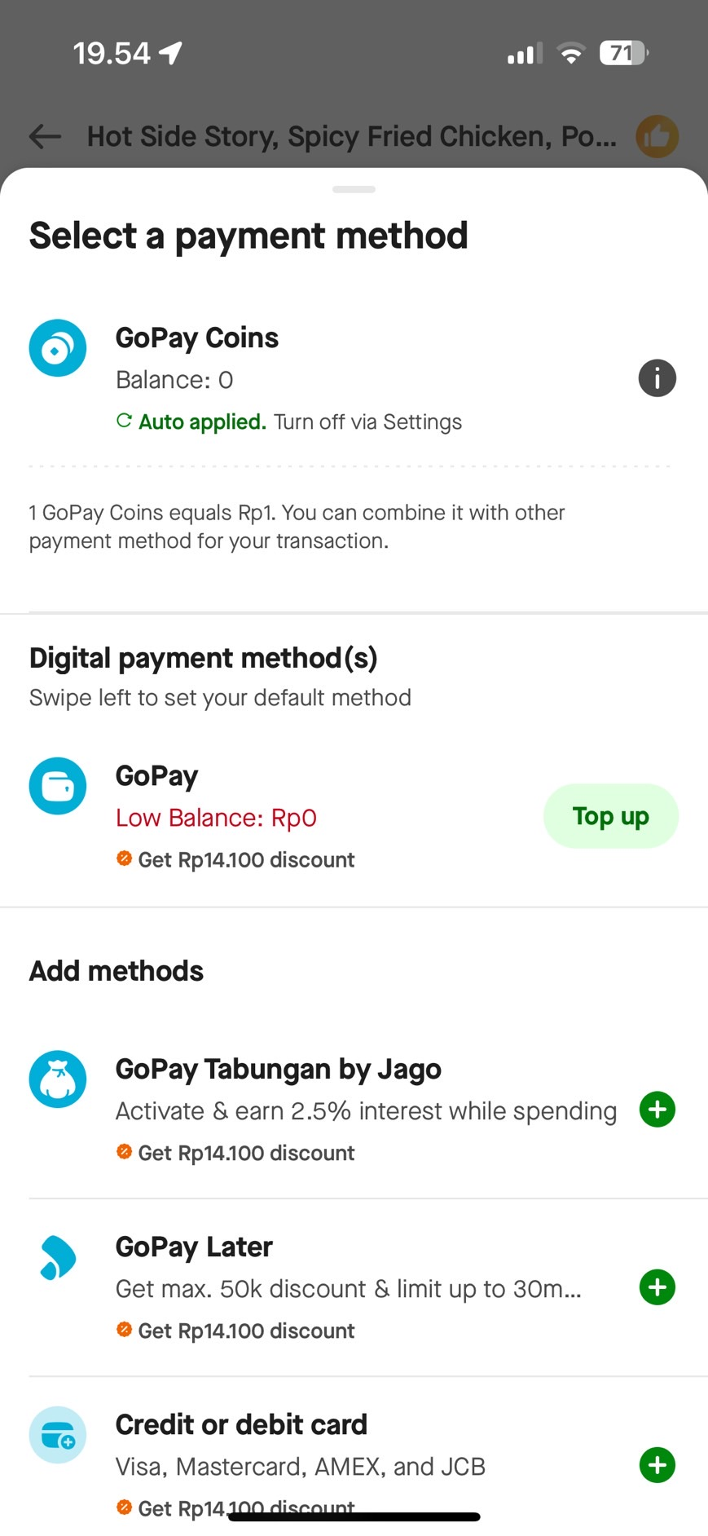 | User click select payment method | Payment Method Page | The most popular payment method | Amounts of user that picked each payment method | Number of user that use Gopay are 1000 accounts | Tracks the most popular payment methods chosen by users.
 |  | Successful add meals to cart | Check-out Page | Using Promo | Amounts of user that use promo | 500 account | Tracks the number of users who use promos.
 |  |  |  | Request cuttlery or straws | Amounts of user that request cutlery or straws | 250 account | Measures the number of users requesting cutlery or straws.
 |  |  |  | Purchase as a gift | Amounts of user that purchase as a gift | 300 account | Measures the number of users purchasing meals as a gift.
 | 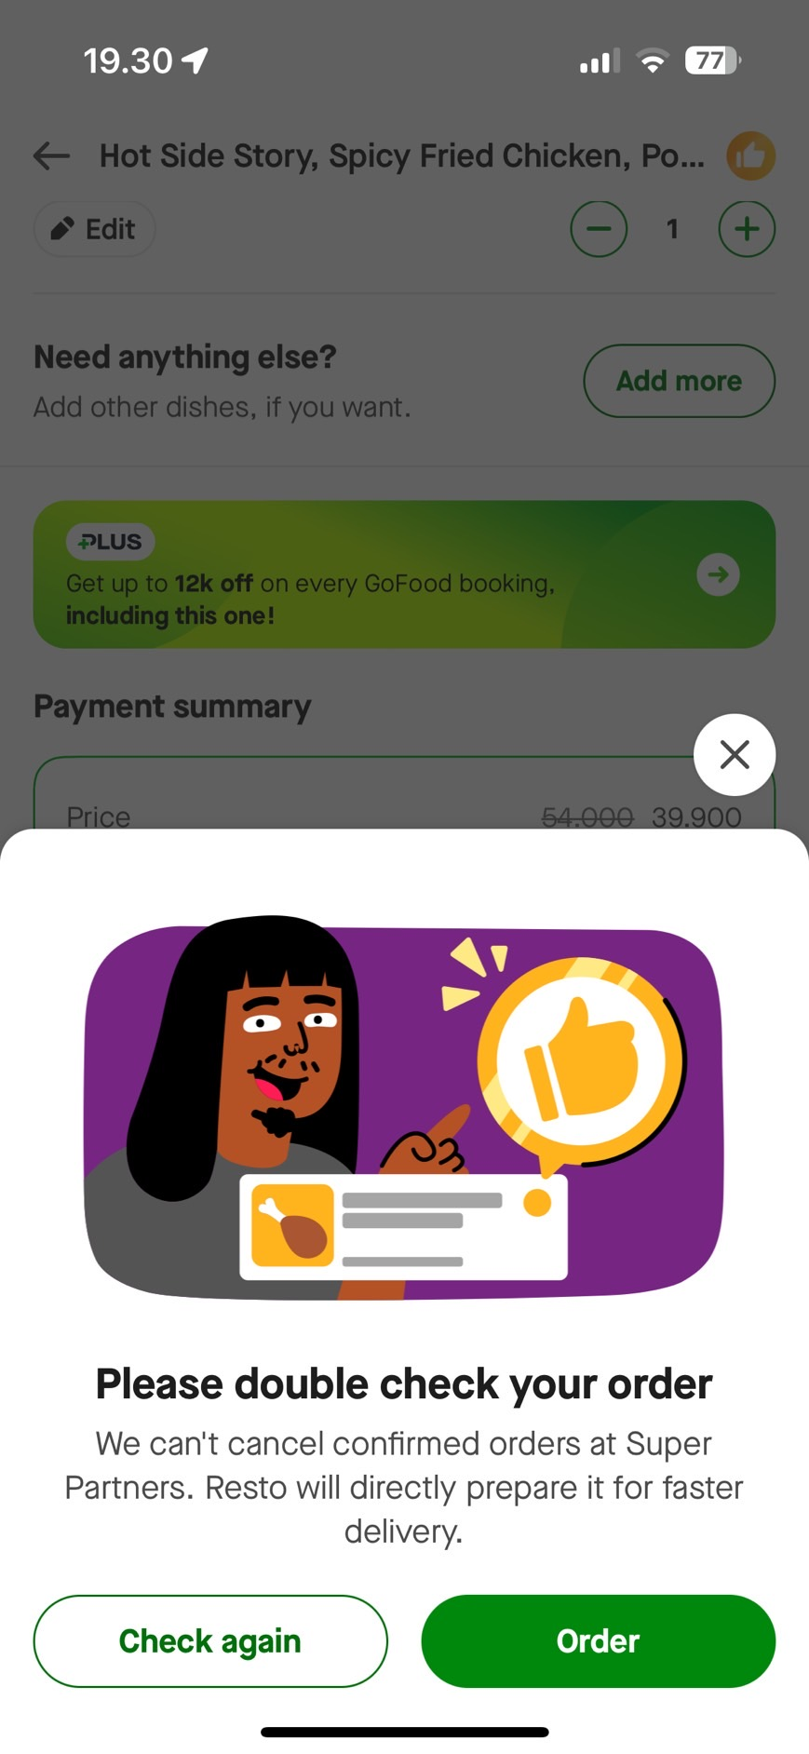 | User click place delivery order | Order Check | Successful order | Amounts of successful orders | 500 orders | Tracks the number of successful orders placed.
 | 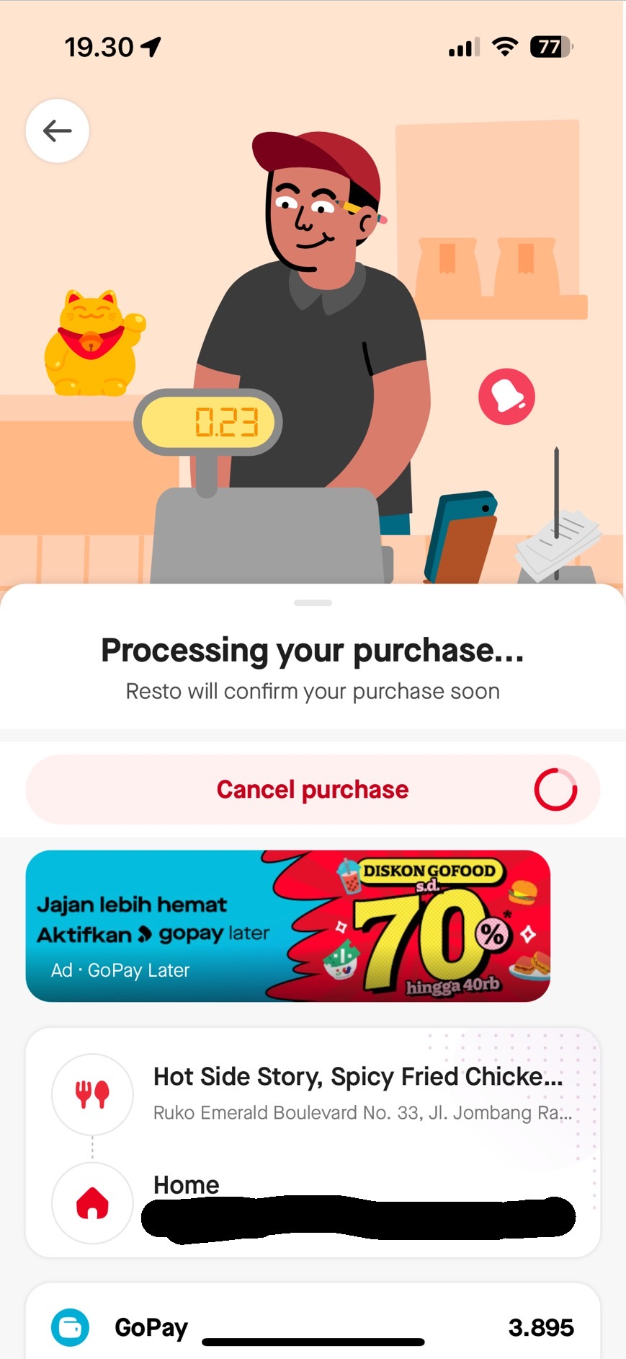 | User click order | Confirmation Order | Cancel purchase | Amounts of user that click cancel purchase | 250 orders | Tracks the number of cancel purchase.
 |  | Order successful | Order Confirmed | Successful order | Amounts of successful orders | 1000 orders | Tracks the number of successful orders.
 |  |  |  | Waiting time match with the user's choosen one | Accuracy of waiting time | 95% match | Measures how accurately the actual waiting time matches the user's chosen waiting time.
 |  | Order is almost ready | Food is Almost Ready | Waiting time match with the user's choosen one | Accuracy of waiting time | 95% match | Measures how accurately the actual waiting time matches the user's chosen waiting time.
 |  |  |  | Driver found | Driver assignment rate | 100 drivers assigned | Tracks the number of drivers successfully assigned to orders.
 |  | Order has arrived | Order has Arrived | Waiting time match with the user's choosen one | Accuracy of waiting time | 95% match | Measures how accurately the actual waiting time matches the user's chosen waiting time.
 |  |  |  | Correct order | Amounts of complain because of incorrect order | 50 orders | Tracks the number of complaints due to incorrect orders.
 |  | Order complete | Order Complete | Drivers rating | Number of ratings given | 300 ratings | Tracks the number of ratings given to the driver.
 |  |  |  | User that need help | Number of users that need help | 50 users | Tracks the number of users seeking help after order completion.
 |  |  |  | Download bill | Number of bills downloaded | 150 downloads | Tracks the number of bills downloaded.
 |  | User gives rating to driver | Drivers Rating | Drivers rating | Driver's rating score | 4.5/5 rating score | Measures the driver's performance based on users rating, overall delivery efficiency, and collects qualitative feedback.
 |  |  |  | Drivers performance | A comprehensive score evaluating the driver's efficiency, timeliness, and service quality | 90% performance score
 |  |  |  | Drivers feedback | Amount of feedback | 150 feedback entries

